Library Synthesis FFS
 | Library Synthesis FFS Rate Card
Please propose a fixed price per compound for Library Compound Synthesis Services Description of Service • Vendor will synthesize compound libraries for Biogen at a fixed price per compound delivered. • Libraries will be designed by Biogen and library proposals consisting of a reaction scheme, a list of building blocks and/or target compounds, and an example synthetic procedure will be submitted to Vendor for review. • Biogen will provide scaffold material with minimum purity of ≥ 90% by LCMS and NMR (Nuclear Magnetic Resonance), to prepare the desired number of library compounds. • Biogen will procure the building blocks and ship to the vendor. • Syntheses will be scaled to obtain min 5mg of the desired product based on the results of the pilot run. • The average library size is expected to be around 100 compounds, but not less than 50 compounds. The minimum purity required for a library compound is ≥ 90% by LCMS and/or NMR. • Vendor will format and ship library compounds according to Biogen’s requirements. Deliverables • Library compounds obtained in ≥ 5 mg quantity: the sample will be spilt with 2 mg in a 2D barcoded matrix tube and the remainder of the sample in a Biogen provided barcoded glass vial. • For each Library a final report, including at least one example synthetic procedure, purification conditions, and supporting analytical data for each library compound. • For each Library Vendor will provide a compound registration file using a template provided by Biogen. • The target library production completion time, including pilot and production runs, is 4 to 6 weeks. • Compounds are to be shipped within one (1) week from completion. • A final report will be delivered to Biogen within one (1) week from compounds shipping.

Item # | Description | Biogen's forecast Volume/year | Price/Compound ($) | # of services performed in last 2 years | Current operating capacity
1 | 1-2 step transformations with no anticipated synthesis or purification issues and simple chemistry, e.g., amide coupling, sulfamidation, alkylation, arylation, reductive amination | 2625 | 180 USD/NCE | 4 | 15 (or combined 25)
2 | 1-3 step transformations with predictable synthesis and/or purification issues and/or chemistry as in Rate 1 plus Suzuki, alkylation/arylation reactions with NaOtBu or LiHMDS | 875 | 250 USD/NCE | 3 | 10 (or combined 25)
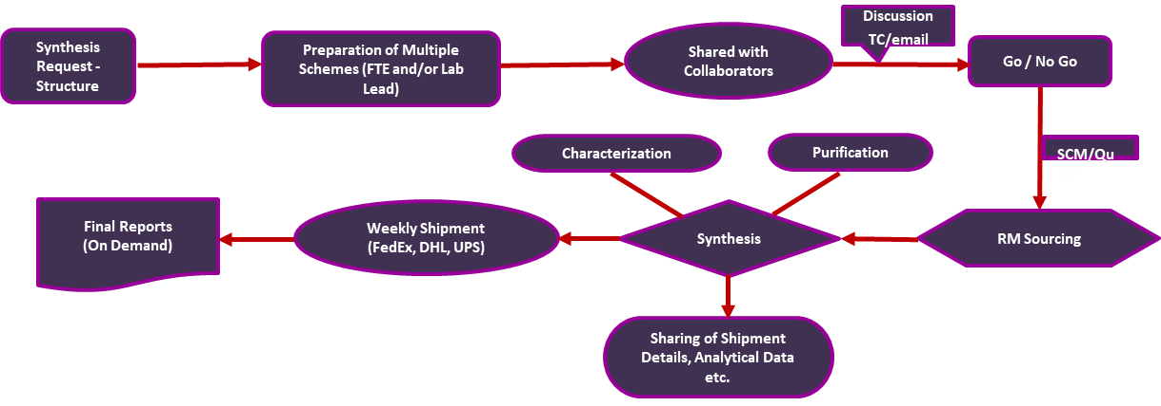
Above price per compound for Library Compound Synthesis Services applicable under the description of services and deliverable provided by Biogen. Price may vary up on complexity and increase in number of synthetic steps.
Provide an example of typical library synthesis process/workflow.
 | Questions |  |  | Response
1 | What are the number of building blocks you have in house? |  |  | ~40000 chemicals in house, covering acids, amines, boronic acids, aldehydes etc,
2 | Where do you source building blocks from? |  |  | Mainly from Aldrih, Combi-Blocks, Ambeed, Pharma Block, BLD Pharm, Fluorochem, Manchester Organics, Angene, HaboTech, Acros, Alfa Aesar, AstaTech, Synthonix etc., and several Indian sources
3 | Location of services |  |  | Bangalore and Hyderabad
4 | Number of years performing the services |  |  | more than 16 years
5 | Number of services performed in the last 2 years |  |  | 4 Library programs
6 | Percent on time deliveries |  |  | >85%
7 | Describe your data package |  |  | Typical analytical data package includes HPLC, H-NMR and LCMS. 13C-NMR and 2D-NMR are recorded when needed for structure elucidations. HRMS facility is provided if target numbers are low, or are done through a third party - if needed

